Vol & Performance (Integration)
Corporate Interface Flow ID | Flow Name | Data Entity | Source System | Target System | Frequency Unit (Interval) | Flow Grouping | Corporate Flow Short reference ID | Data Volume (H/M/L) | Transactions volumes |  |  |  | MoM Transactions (i.e. RIB Messages) |  |  |  | Integration Transactions (i.e. exploded RIB Messages) |  |  |  | Business criticality (H/M/L) | Performance test Mandatory / Desirable / Optional | Inbound/Outbound | Volumetrcis available
 |  |  |  |  |  |  |  |  | Normal Day | Peak Day | Normal Hour | Peak Hour | Normal Day | Peak Day | Normal Hour | Peak Hour | Normal Hour | Peak Hour | Normal Average TPS | Peak Average TPS
BAM-ORMS-ORSA-006c | Location from Oracle RMS to Oracle ReSA | Location | Oracle RMS | Oracle ReSA | Real-time | BAM006 - Location | BAM006c | Low |  |  |  |  |  |  |  |  |  |  |  |  | High | Optional | Outbound | No
BAM006 | Location |  | RMS
BAM020 | Item Location |  | RMS
BAM033 | PO |  | RMS
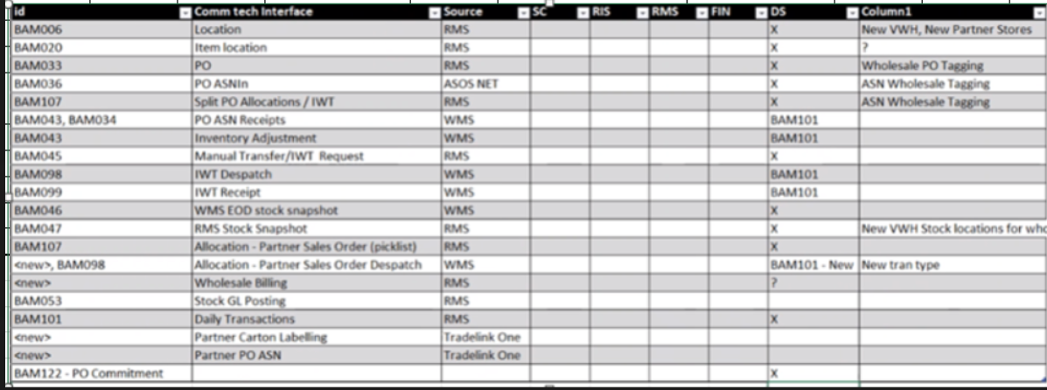
BAM036 | PO ASNIn |  | ASOS NET
BAM107 | Split PO Allocations / IWT |  | RMS
BAM043 / BAM034 | PO ASN Receipts |  | WMS

